PreIPO
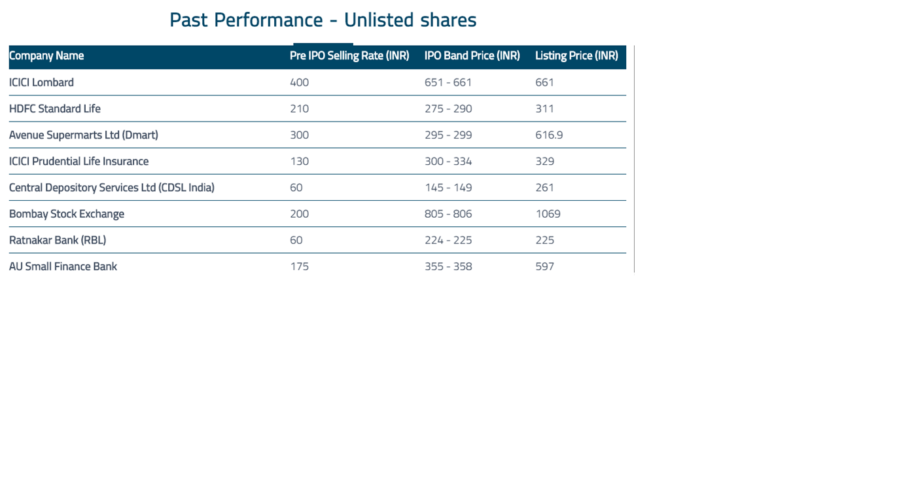
No | Section | Sub Section | Details | Type | Mandatory | Default Value
1 | Buy | Full Name |  |  | Y
 |  | Mobile Number |  |  | Y
 |  | Email Address |  |  | y
 |  | Location | Country | Drop Down | Y
 |  |  | State | Drop Down | Y
 |  |  | City | Drop Down | Y
 |  | Buyer Type | Individual | Drop Down | Y
 |  |  | Company
 |  | Company Name | Stock List | Multiple select Option | Y
 |  | Expected Share Price
 |  | Quantity
2 | Selling Price | Company Name | PreIPO Selling Rate | Table

3 | Previous Perfomance |  |  | Table

